Sheet1
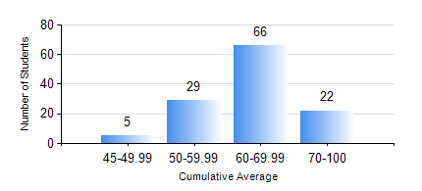
 |  |  | KWAME NKRUMAH UNIVERSITY OF SCIENCE AND TECHNOLOGY, KUMASI Department of Mechanical Engineering

 |  |  | BSC. INDUSTRIAL ENG.

 |  |  | COMPREHENSIVE RECORD OF EXAMINATION RESULTS

 |  |  | RESULTS OF YEAR 4 SECOND SEMESTER, 2024/2025 ACADEMIC YEAR

 | Sn | Course Code |  | Course Name | Credit Hours | Min. Mark | Max. Mark | Avg. Mark | Std. Dev. | No. Passed | No. Trailed | No. (Df) | No. (I) | No. (I*) | No. Tagged(I,I*,Df) | Total
 | 0. |  |  |  |  |  |  | 0 | 0 | 0 | 0 | 0 | 0 | 0 | 0 | 2
 | 1. | IE 452 |  | AUTOMATION AND PRODUCTION SYSTEM | 2 | 40 | 92 | 58 | 12.27 | 120 | 0 | 0 | 0 | 0 | 0 | 120
 | 2. | IE 454 |  | PRODUCTION PLANNING AND CONTROL | 3 | 20 | 98 | 52 | 15.2 | 110 | 10 | 0 | 0 | 0 | 0 | 120
 | 3. | IE 456 |  | SYSTEMS INTEGRATION | 1 | 46 | 91 | 73 | 7.62 | 119 | 0 | 0 | 1 | 0 | 1 | 120
 | 4. | IE 458 |  | HUMAN FACTORS AND ERGONOMICS | 3 | 42 | 97 | 69 | 13.27 | 120 | 0 | 0 | 0 | 0 | 0 | 120
 | 5. | IE 498 |  | FINAL YEAR PROJECT II | 5 | 67 | 76 | 71 | 2.87 | 120 | 0 | 0 | 0 | 0 | 0 | 120
 | 6. | ME 492 |  | MANAGEMENT AND ENTREPRENEURSHIP DEVELOPMENT | 2 | 40 | 79 | 64 | 7.85 | 120 | 0 | 0 | 0 | 0 | 0 | 120
 | 7. | ME 494 |  | MAINTENANCE ENGINEERING | 3 | 40 | 85 | 61 | 10.48 | 120 | 0 | 0 | 0 | 0 | 0 | 120

